1.SVM & Def of Kernel
»(SVM)=>SUPPORT VECTOR MACHINES & It's PARAM KERNEL & IT'S TYPES |  | REFERENCE

∎SUPPORT VECTOR MACHINE |  | ⇰REFERENCE (Website)-->Udemy Regarding Thereotical & Conceptual Understanding of Hyper Planes & Margin (Support Vector Margin) SVM

⇰According to (Analytics Vidhya) =>Support Vector Machines are an extension of Soft Margin Classifier (SUPPORT VECTOR CLASSIFIERS). It can also be used for nonlinear (Non-Linear Curve) classification by using the kernel. As a result, this algorithm performs well in the majority of real-world problem statements. Since, in the real world, we will mostly find non-linear separable data, which will necessitate the use of complex classifiers to classify them.

 |  | ⇰REFERENCE (Website)-->Udemy Regarding SVM (Support Vector Machine)-> Theory & Kernel Intuition

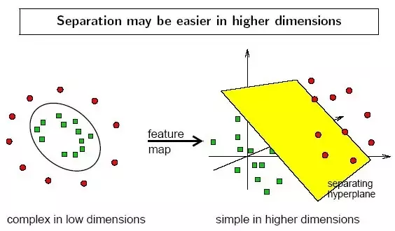 | 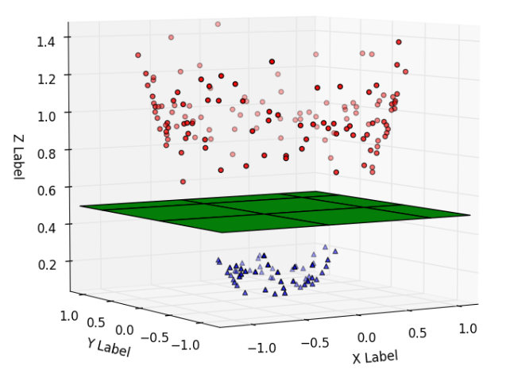

▣KERNEL (DEFINITION OF KERNEL)

▣KERNELS (ANALYTICS VIDHYA): It transforms non-linear separable data from lower to higher dimensions to facilitate linear classification, as illustrated in the figure below. We use the kernel-based technique to separate non-linear data because separation can be simpler in higher dimensions.The kernel transforms the data from lower to higher dimensions using mathematical formulas. |  | ⇰REFERENCE (Website)-->Analytics Vidhya Regarding Practical & Conceptual Understanding of Support Vector Machines (SVM)

 |  | ⇰REFERENCE (Website)-->Medium Regarding Thereotical & Conceptual Understanding of Support Vector Machine (SVM)

▣KERNEL (UDEMY) : Kernels allow us to move beyond the support vector classifier and use support vector machines.All the examples we've seen previously have either been a maximum margin classifier or a support vector classifier that allows the use of soft margins.We haven't actually seen a support vector machine yet.That is because it is the kernel operation that allows us to move beyond support vector classifiers & Especially in Support Vector Machines & there are actually a variety of kernels we can use to project the original features to a higher dimension. |  | ⇰REFERENCE (You Tube)-->Visually Explained Regarding Practical & Conceptual Understanding of Kernel Trick in Support Vector Machine (SVM)

①Following are Various Types of Kernel |  | ⇰REFERENCE (Website)-->Analytics Vidhya Regarding Practical & Conceptual Understanding of Support Vector Machines (SVM)

1.Linear (SVM)
❶LINEAR KERNEL
2.Non Linear (SVM)
❷POLYNOMIAL KERNEL
❸RBF (RADIAL BASIS FUNCTION) KERNEL
❹SIGMOID FUNCTION KERNEL
 |  | ⇰REFERENCE (Website)-->pycodemates Regarding Thereotical & Practical Implementation of Kernel Function

1. Linear Kernel & Kernel Vis
»(SVM)=>SUPPORT VECTOR MACHINES & It's PARAM KERNEL & HYPER PARAMETER=> "C" |  |  | REFERENCE |  | SVM (SUPPORT VECTOR MACHINE) 's PARAM => KERNAL 'S PROPER IMAGE VISUALIZATION BY CODING (PYTHON => DEF FUNCTION) | REFERENCE

 |  |  |  |  | 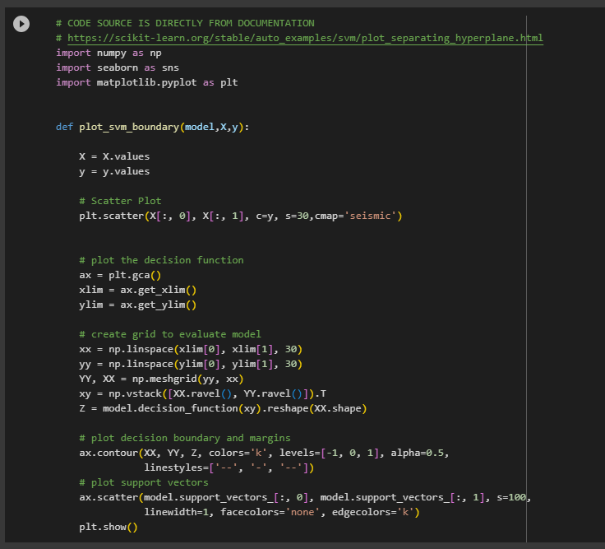 | ⇰REFERENCE (Website)-->Scikit Learn Regarding Practical & Conceptual Understanding of SVM (Support Vector Machine) 's Kernel 's Visualization by Def (Function)

▣LINEAR KERNEL (SVM) |  |  | ⇰REFERENCE (Website)-->Analytics Vidhya Regarding Thereotical & Conceptual Understanding of Linear Kernel (Support Vector Machine)

⇰When the data is perfectly linearly separable only then we can use Linear SVM. Perfectly linearly separable means that the data points can be classified into 2 classes by using a single straight line(if 2D).

❶Linear Kernel is used when the data is Totally Linearly separable, that is, it can be separated using a Single Line. It is one of the most common kernels to be used. It is mostly used when there are a Large number of Features in a particular Data Set. One of the examples where there are a lot of features, is Text Classification, as each alphabet is a new feature. So we mostly use Linear Kernel in Text Classification. | 
 |  |  | ⇰REFERENCE (Website)-->Geeks for Geeks Regarding Thereotical & Conceptual Understanding of Linear Kernel (Support Vector Machine)

①HYPER PARAMETER => "C"

∎HOW TO WIDEN OR SHORTEN MARGIN THRESHOLDS IN (SUPPORT VECTOR CLASSIFIERS BY PARAMETER => 'C')

⇰The margin widens as the budget for misclassification increases, while the margin narrows as the budget decreases.While building the model, we use a hyperparameter called “Cost”. Here Cost is inverse of budget means when the budget increases —> Cost decreases and vice versa. It is denoted by “C”. ⇰The influence of C’s value on the margin is depicted in the diagram below. When the value is small, for example, C=1, the margin widens, while when the value is high, the margin narrows down. |  | 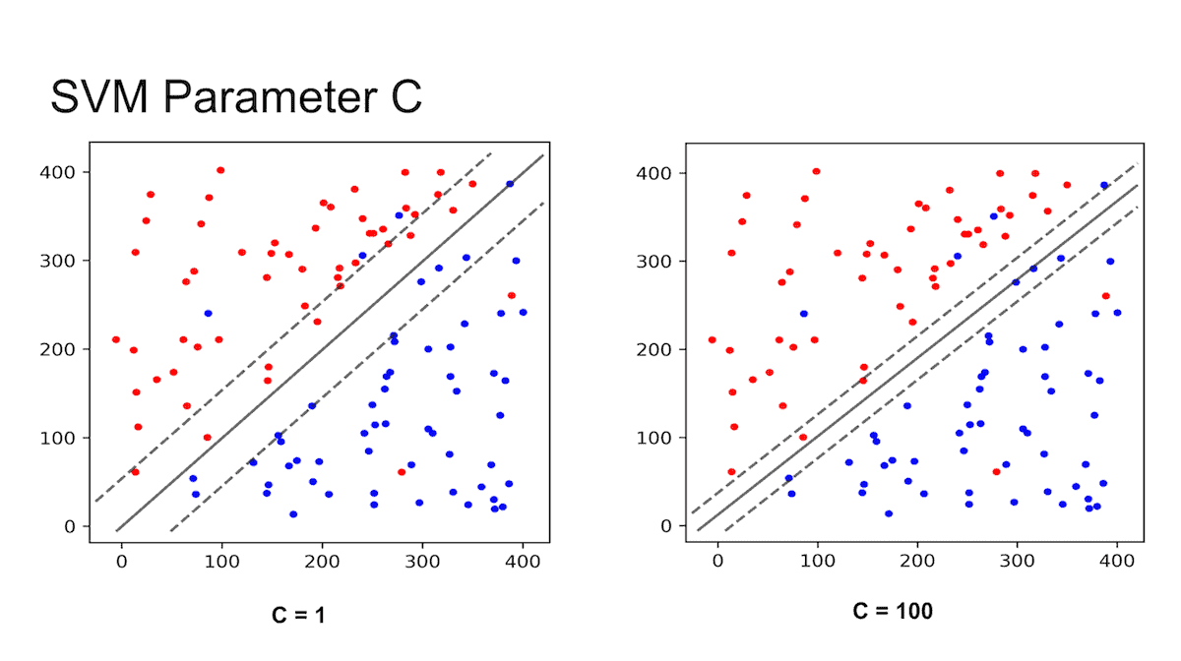 | ⇰REFERENCE (Website)-->Analytics Vidhya Regarding Thereotical & Conceptual Understanding of Support Vector Classifiers ( Evolution of SVM)
 |  |  |  | ⇰REFERENCE (Website)-->Scikit learn Regarding Thereotical & Practical Implementation Regarding Parameter 'C' & 'Gamma'

 |  |  | ⇰REFERENCE (You Tube)-->Visually Explained Regarding Practical & Conceptual Understanding of Kernel Trick in Support Vector Machine (SVM) | ⇰REFERENCE (Website)-->Medium Regarding Thereotical & Conceptual Understanding of Support Vector Machine (SVM) -->Support Vector Classifiers

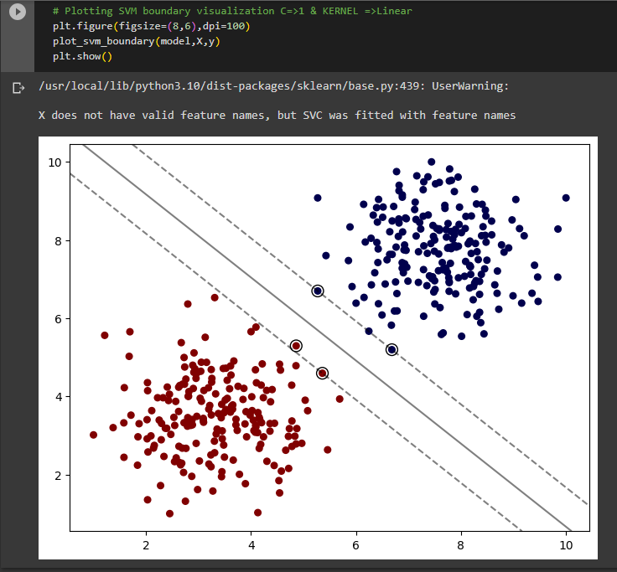 |  |  | ⇰REFERENCE (Website)-->1.9(iii) SVM (Support Vector Machines) Regarding Thereotical & Practical Implementation of Kernel => Linear

2.Polynomial Kernel
»(SVM)=>SUPPORT VECTOR MACHINES & It'S PARAM KERNEL & HYPER PARAMETER=> "Degree For Polynomial Kernel" |  |  | REFERENCE

▣POLYNOMIAL KERNEL (SVM)

⇰In a polynomial kernel for SVM, the data is mapped into a higher-dimensional space using a polynomial function. The dot product of the data points in the original space and the polynomial function in the new space is then taken. The polynomial kernel is often used in SVM classification problems where the data is not linearly separable. By mapping the data into a higher-dimensional space, the polynomial kernel can sometimes find a hyperplane that separates the classes. |  |  | ⇰REFERENCE (Website)-->pycodemates Regarding Thereotical & Practical Implementation of Kernel (Polynomial Function)

⇰Example Udemy For example, we can use a polynomial kernel which could expand this onto an x squared dimension (x²).So if we imagine that maybe the no default feature value is kind of centered around zero, and people with large negative feature values or very large negative feature values are going to default on their loan.If we were to take these original points and project them using this polynomial kernel of (x²), we would get something that looks like this.Now we could create a hyper plane again using margins and even incorporating soft margins onto this projection & after we perform this transformation and notice how we were able to take something that was not perfectly separable and then actually create something that was perfectly separable in this particular case, using this kernel projection.

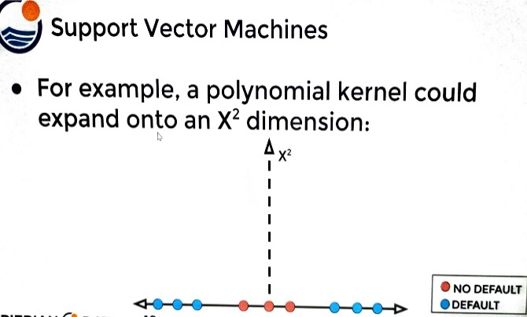 | ⇰ | 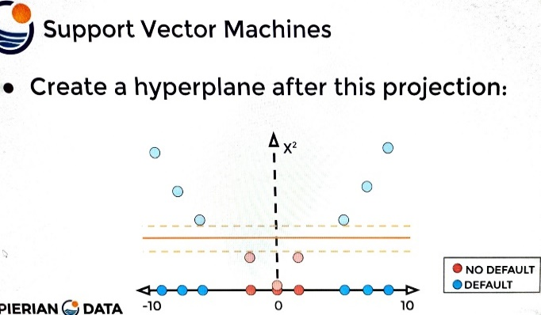 | ⇰REFERENCE (Website)-->Udemy Regarding Thereotical & Conceptual Understanding of Hyper Planes & Margin (Support Vector Margin) SVM

 |  |  | ⇰REFERENCE (Website)-->Udemy Regarding SVM (Support Vector Machine)-> Theory & Kernel Intuition

①HYPER PARAMETER => "Degree"

⇰degree:int or tuple (min_degree, max_degree), default=2 ❶Degree of the polynomial kernel function (‘poly’). Must be non-negative. Ignored by all other kernels. ❷Basically in Simple Word Means degree is just to what order do you want to take the polynomial? As you can imagine, if you say degree is equal to two (degree=2), that means you'll also consider the squared terms of your features .So TV spend squared [X1]², Radio spend squared [X2]² and Newspaper spend squared [X3]².

②HYPER PARAMETER => "C" |  |  | ⇰REFERENCE (Website)-->Scikit learn Regarding Thereorical & Practical Implementation Regarding Parameter 'C' & 'Gamma'

∎HOW TO WIDEN OR SHORTEN MARGIN THRESHOLDS IN (SUPPORT VECTOR CLASSIFIERS BY PARAMETER => 'C')

⇰The margin widens as the budget for misclassification increases, while the margin narrows as the budget decreases.While building the model, we use a hyperparameter called “Cost”. Here Cost is inverse of budget means when the budget increases —> Cost decreases and vice versa. It is denoted by “C”. ⇰The influence of C’s value on the margin is depicted in the diagram below. When the value is small, for example, C=1, the margin widens, while when the value is high, the margin narrows down.

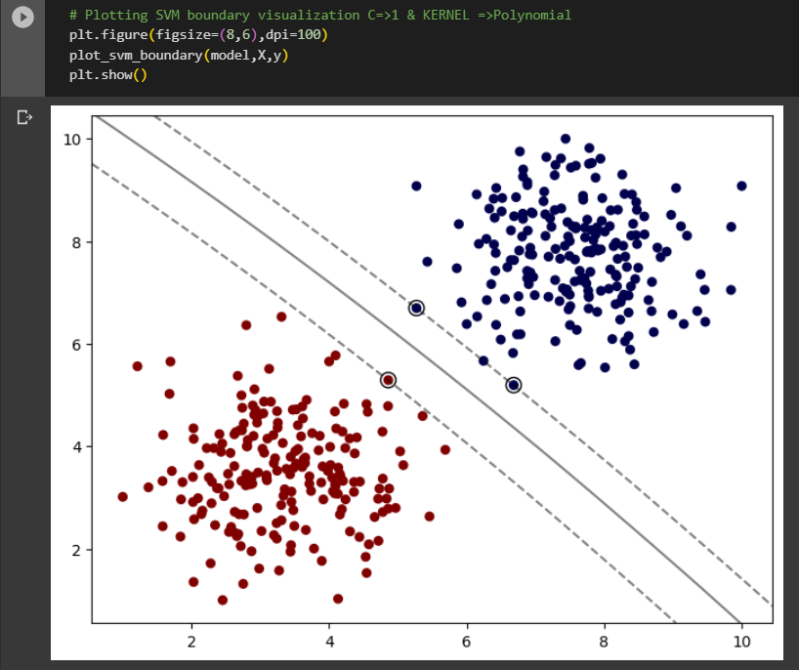 |  |  | ⇰REFERENCE (Website)-->1.9(iii) SVM (Support Vector Machines) Regarding Thereotical & Practical Implementation of Kernel => Polynomial

3.RBF (Radial Basis Fun) Kernel
»(SVM)=>SUPPORT VECTOR MACHINES & It'S PARAM KERNEL & HYPER PARAMETER =>'Gamma' | REFERENCE

▣(RBF) RADIAL BASIS FUNCTION

⇰The Radial Basis Function (RBF) kernel is one of the most powerful, useful, and popular kernels in the Support Vector Machine (SVM) family of classifiers. In this article, we’ll discuss what exactly makes this kernel so powerful, look at its working, and study examples of it in action. | ⇰REFERENCE (Website)-->Pycode Mates Regarding Thereotical & Conceptual Understanding of Kernel=> Radial Basis Function

⇰RBF short for Radial Basis Function Kernel is a very powerful kernel used in SVM. Unlike linear or polynomial kernels, RBF is more complex and efficient at the same time that it can combine multiple polynomial kernels multiple times of different degrees to project the non-linearly separable data into higher dimensional space so that it can be separable using a hyperplane.

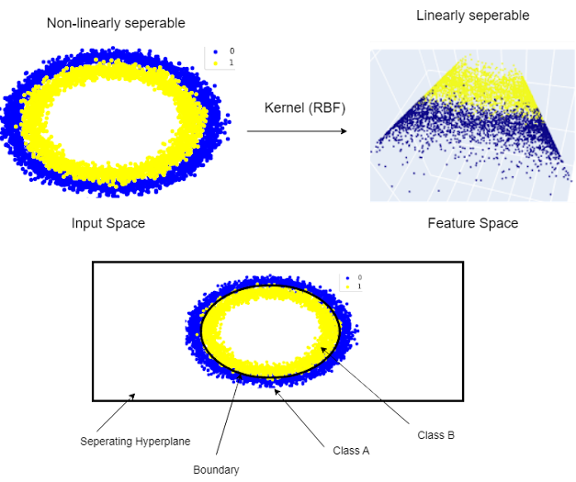

 |  | ⇰REFERENCE (You Tube)-->Visually Explained Regarding Practical & Conceptual Understanding of Kernel Trick in Support Vector Machine (SVM)

 | ⇰REFERENCE (Website)-->Analytics Vidhya Regarding Thereotical & Conceptual Understanding of Support Vector Classifiers ( Evolution of SVM)

①HYPER PARAMETER => "Gamma"
 |  | ⇰REFERENCE (Website)-->Medium Regarding Thereotical & Conceptual Understanding of Support Vector Machine (SVM) -->Support Vector Classifiers
⇰Gamma is a hyperparameter used with non-linear SVM. One of the most commonly used non-linear kernels is the radial basis function (RBF). Gamma parameter of RBF controls the distance of the influence of a single training point.

⇰Intuitively, the gamma parameter defines how far the influence of a single training example reaches, with low values meaning ‘far’ and high values meaning ‘close’. The gamma parameters can be seen as the inverse of the radius of influence of samples selected by the model as support vectors. | ⇰REFERENCE (Website)-->Scikit learn Regarding Thereotical & Practical Implementation Regarding Parameter 'C' & 'Gamma'

 |  | ⇰REFERENCE (Website)-->ScikitLearn Regarding Conceptual Understanding of SVC (Support Vector Classifiers)
▣What if Gamma Value =Scale ?

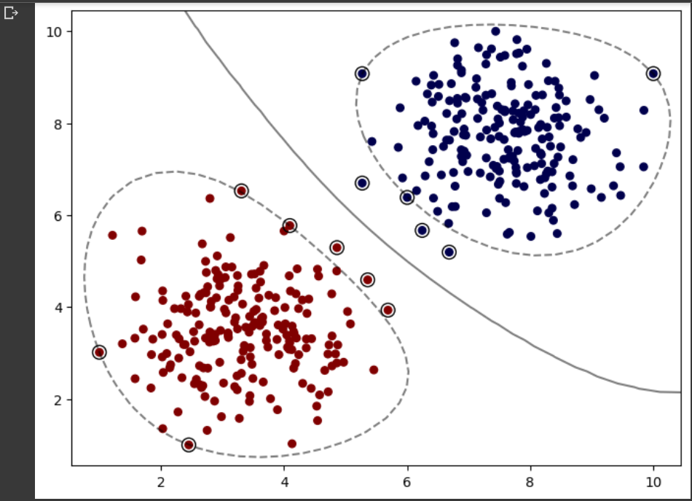

 | ⇰REFERENCE (Website)-->1.9(iii) SVM (Support Vector Machines) Regarding Thereotical & Practical Implementation of Kernel => RBF (Radial Basis Function) & Param => Gamma => Scale

▣What if Gamma =Auto ?

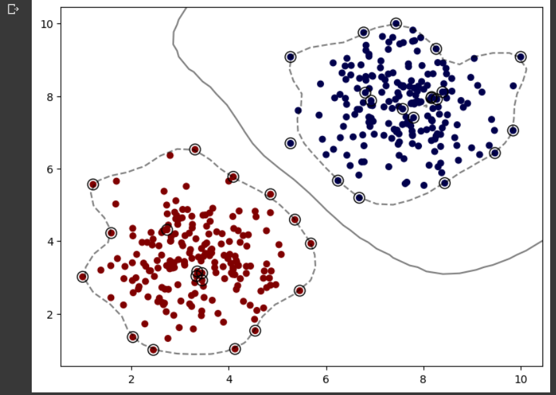 | ⇰REFERENCE (Website)-->1.9(iii) SVM (Support Vector Machines) Regarding Thereotical & Practical Implementation of Kernel => RBF (Radial Basis Function) & Param => Gamma => Auto

4.Sigmoid Kernel
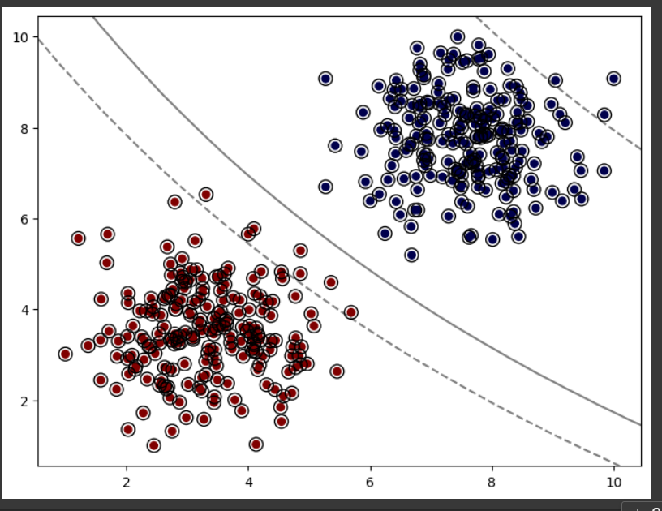
»(SVM)=>SUPPORT VECTOR MACHINES & It'S PARAM KERNEL | REFERENCE

▣SIGMOID FUNCTION

⇰ A Sigmoid function is a mathematical function which has a characteristic S-shaped curve. There are a number of common sigmoid functions, such as the logistic function, the hyperbolic tangent, and the arctangent. In machine learning, the term Sigmoid function is normally used to refer specifically to the logistic function, also called the logistic sigmoid function.All sigmoid functions have the property that they map the entire number line into a small range such as between 0 and 1, or -1 and 1, so one use of a sigmoid function is to convert a real value into one that can be interpreted as a probability much almost all the points are actually being highlighted as support vectors, which means for this particular dataset, I would definitely not recommend the sigmoid kernel because it's relying on evenpoints that are exactly at the center of the classes to have information of where the margins should go . | ⇰REFERENCE (Website)-->Analytics Vidhya Regarding Thereotical & Conceptual Understanding of Support Vector Classifiers ( Evolution of SVM)

▣OVERALL CONCEPTUAL OF SIGMOID FUNCTION (SEEN IN LOGISTIC REGRESSION)

❶Many Natural real world system have carrying capacity or natural limiting factor. ❷ (UPCOMING FIGUREWISE ILLUSTRATION) You can see that the logarithmic curve is the one on top that is slowly growing exponentially & the logistic curve tends to level off.So the question arises, why do we have this need for modeling purposes of the logistic function versus the previously known logarithmic function? If you actually plot out the sigmoid or logistic function, you can see the behavior shown here where we get this curve & eventually a leveling off basically like S shaped Curve Instead of Exponential or Logarathmic regression. So clearly a logistic function itself can be really useful for modeling the systems that have this carrying capacity or natural limiting set of factors. ❸In Simple Words (Udemy)here is that many natural, real world systems have what is known as a caring capacity or some sort of natural limiting factor & this could be everything from world population growth, where if you look up projected world populations,it seems to follow this trend of a logistic function where there is some sort of exponential curve that's growing.But eventually you get this leveling off as the growth rate declines because of limiting factors such as carrying capacity.And it just isn't with model populations, but also for many different scientific fields.Here we can see the sugarcane yield in Australia versus the depth of water available and again you get this sort of limiting factor.We're just natural, real world systems have some sort of limit where you get this leveling off effect similar to a logistic function.So clearly a logistic function itself can be really useful for modeling the systems that have this carrying capacity or natural limiting set of facto | ⇰REFERENCE (Website)-->1.3 (Google Colab) Theory Logistic Regression Regarding Practical & Conceptual Understanding of Sigmoid Model

 | ⇰REFERENCE (Website)-->Udemy Regarding Thereotical & Conceptual Understanding of Hyper Planes & Margin (Support Vector Margin) SVM

 | ⇰REFERENCE (Website)-->Udemy Regarding SVM (Support Vector Machine)-> Theory & Kernel Intuition

 | ⇰REFERENCE (Website)-->Analytics Vidhya Regarding Practical & Conceptual Understanding of Support Vector Machines (SVM)

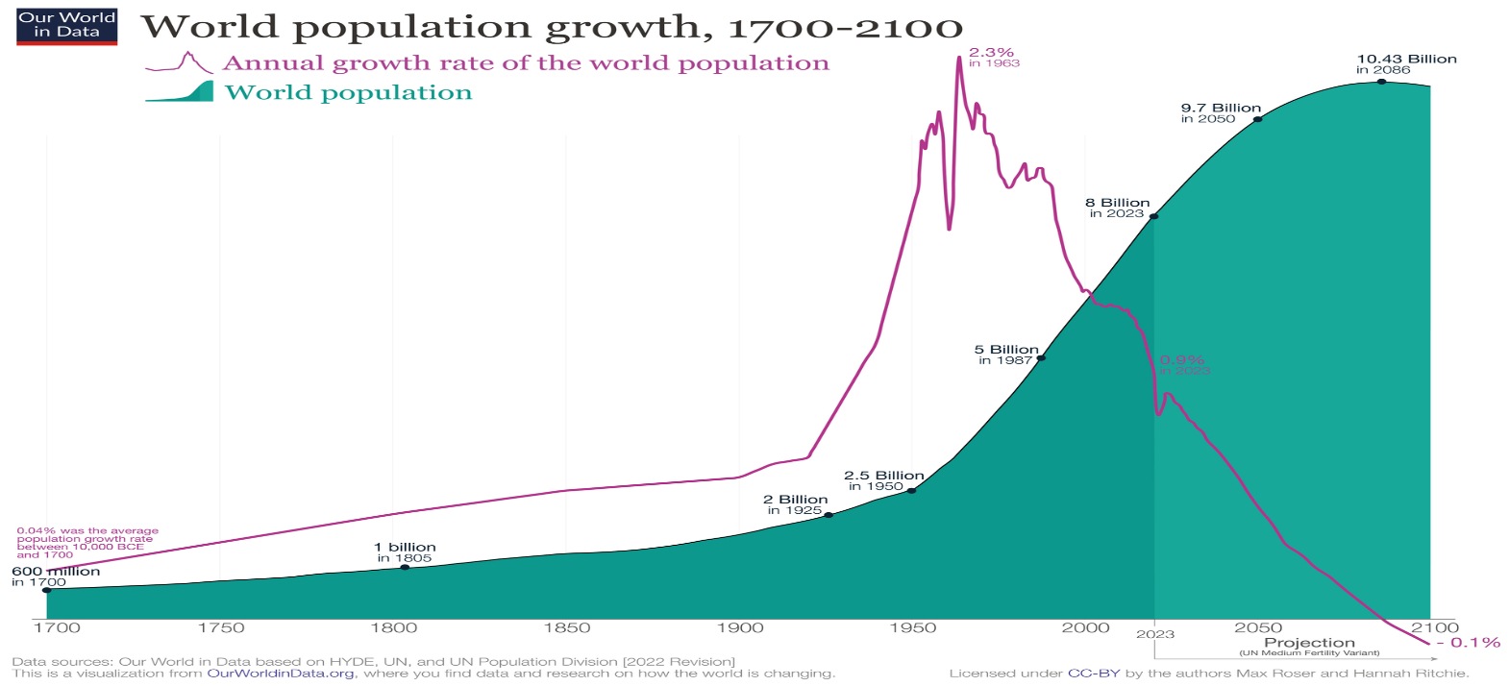

 | ⇰REFERENCE (Website)-->Wikipedia Regarding Thereotical & Practical Imlementation Regarding Projection of World's Population Growth-->World Population Index (1700-2100)

 | ⇰REFERENCE (Website)-->(I) Udemy Regarding Thereotical & Conceptualize Implementation Regarding Sigmoid Function

 | ⇰REFERENCE (You Tube)-->Visually Explained Regarding Practical & Conceptual Understanding of Kernel Trick in Support Vector Machine (SVM)
⇰DIFFERENCE IN BETWEEN SIGMOID , LOGARITHM & SIGMOID FUNCTION VS EXPONENTIAL VS LOGISTIC REGRESSION ?

 | ⇰REFERENCE (Website)-->Medium Regarding Thereotical & Conceptual Understanding of Support Vector Machine (SVM) -->Support Vector Classifiers

 | ⇰REFERENCE (Website)-->1.9(iii) SVM (Support Vector Machines) Regarding Thereotical & Practical Implementation of Kernel => RBF (Sigmoid Function)

5.Kernel at Glance
Some Important Tuning Parameter for SVM(Support Vector MACHINE) |  | REFERENCE

 | C: Regularization Parameter→The C parameter tells the SVM optimization how much you want to avoid misclassifying each training example. For large values of C, the optimization will choose a smaller-margin hyperplane if that hyperplane does a better job of getting all the training points classified correctly. Conversely, a very small value of C will cause the optimizer to look for a larger-margin separating hyperplane, even if that hyperplane misclassifies more points. For very tiny values of C, you should get misclassified examples, often even if your training data is linearly separable. Basically C(parameter) MEANS HOW MANY POINTS ARE YOU ALLOWING TO BE WITHIN MARGIN SO IF YOU LET C BE VERY SOMETHING VERY SMALL OR CLOSE TO 0 (ZERO) YOU WILL ALLOW ACTUALLY LOTS OF POINT WITHIN MARGIN (MEANS →THAT MORE POINT ESSENTIALLY MEANS SOFTER & SOFTER CLASSIFIED MARGIN) OTHER WISE IF C IS VERY LARGE THEN THEN LESS NUMBER OF DATA POINT WITHIN THE CLASSIFIED MARGIN. (Relationship→ Basically Relationship of C parameter is inversely proportional to the the amount of data point you actually allow within the margin.) | ⇰REFERENCE (Website)-->Udemy Regarding Thereotical & Conceptual Understanding of Hyper Planes & Margin (Support Vector Margin) SVM

 |  | ⇰REFERENCE (Website)-->Udemy Regarding SVM (Support Vector Machine)-> Theory & Kernel Intuition

 |  |  | ⇰REFERENCE (Website)-->Scikit Learn Regarding Thereotical & Conceptual Understanding of Hyper Parameter =>Kernel
 | →kernel : {'linear', 'poly', 'rbf', 'sigmoid', 'precomputed'} or callable, default='rbf' | Specifies the kernel type to be used in the algorithm. | If none is given, 'rbf' will be used. If a callable is given it is | used to pre-compute the kernel matrix from data matrices; that matrix | should be an array of shape ``(n_samples, n_samples)``.

 |  | ⇰REFERENCE (Website)-->Analytics Vidhya Regarding Practical & Conceptual Understanding of Support Vector Machines (SVM)
 | →Linear Kernel--> is used when the data is Linearly separable, that is, it can be separated using a single Line. It is one of the most common kernels to be used. It is mostly used when there are a Large number of Features in a particular Data Set. Ex of Schedule Diagram.

 |  | ⇰REFERENCE (Website)-->Medium Regarding Thereotical & Conceptual Understanding of Support Vector Machine (SVM)

 |  | ⇰REFERENCE (You Tube)-->Visually Explained Regarding Practical & Conceptual Understanding of Kernel Trick in Support Vector Machine (SVM)

 |  | ⇰REFERENCE (Website)-->pycodemates Regarding Thereotical & Practical Implementation of Kernel (Polynomial Function)
 | → Poly Kernel (Polynomial) --> The effect of the degree of a polynomial kernel. The polynomial kernel of degree 1 leads to a linear separation (A). Higher-degree polynomial kernels allow a more flexible decision boundary (B,C). The style follows that of Figure 3.E22 The effect of the degree of a polynomial kernel. The polynomial kernel of degree 1 leads to a linear separation (A). Higher-degree polynomial kernels allow a more flexible decision boundary (B,C). The style follows in the given scheduled diagram Basically in Other word Higher the Degree Higher the Flexibility because of Increase in Complexity due to increase in degree there is more curved .. For Further information pl see Colab of Polynomial Regression.

 | 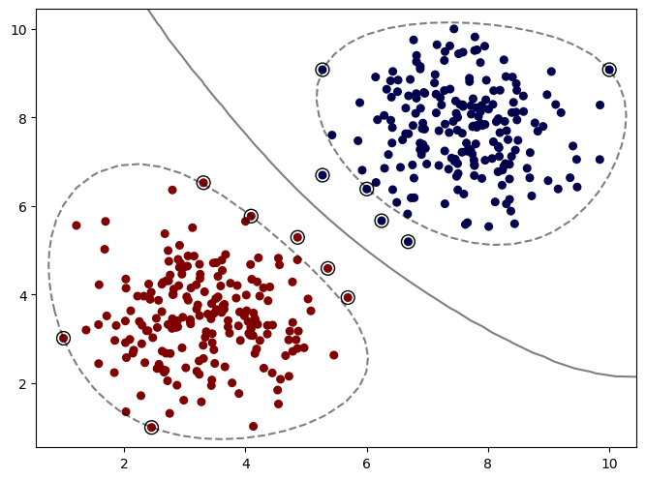 → RBF (Radial Basis Function) Kernel --> The key idea of the RRBF is to extend a one-dimensional parameter to (d)-dimensional parameters by simple modification of the traditional RBF kernel.Why Radial Basis Kernel Is much powerful? The main motive of the kernel is to do calculations in any d-dimensional space where d > 1, so that we can get a quadratic, cubic or any polynomial equation of large degree for our classification/regression line. Since Radial basis kernel uses exponent and as we know the expansion of e^x gives a polynomial equation of infinite power, so using this kernel, we make our regression/classification line infinitely powerful too.Because of That reason we have default option of kernel = 'rbf' . | ⇰REFERENCE (website)--> Geek for Geek Regarding Thereotical & Conceptual Understanding of Kernel (RBF) Radial Basis Function

 |  | ⇰REFERENCE (Website)-->Analytics Vidhya Regarding Practical & Conceptual Understanding of Support Vector Machines (SVM)
 | ↑Following Things we can learn from RBF Plot↑-->1. Margin is actually surrounding the cluster of different classes we can get a much more specific and hopefully a better fit to the data with a radial basis function . As we know C is regularization parameter & The smaller it is More points will be allow within the margin . So we can see that we have the margin surrounding our clusters and then the points outside the margin are the support vectors . → Gamma and C values are key hyperparameters that can be used to train the most optimal SVM model using RBF kernel. → GAMMA --> parameter defines how far the influence of a single training example reaches, with low values meaning 'far' and high values meaning 'close'. →Higher value of gamma will mean that radius of influence is limited to only support vectors. This would essentially mean that the model tries and overfit. The model accuracy lowers with the increasing value of gamma.The lower value of gamma will mean that the data points have very high radius of influence. This would also result in model having lower accuracy. →It is the intermediate value of gamma which results in a model with optimal accuracy. We can understand with the help of Diagram Regarding gamma (Parameter) .

 |  | ⇰REFERENCE (Website)-->Medium Regarding Thereotical & Conceptual Understanding of Support Vector Machine (SVM)

 | 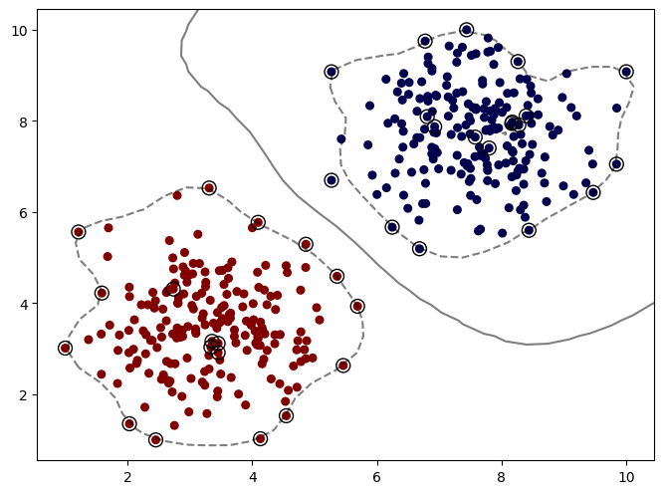 →What happen if Gamma = Auto Value (Basically) We can see that It start to pick up lot more noise from these support vectors . Basically Gamma Defines basically How much influence a single training example has . So basically ot satring fitting more & more to these support vectorswhich create a sense of overfitting.

 | 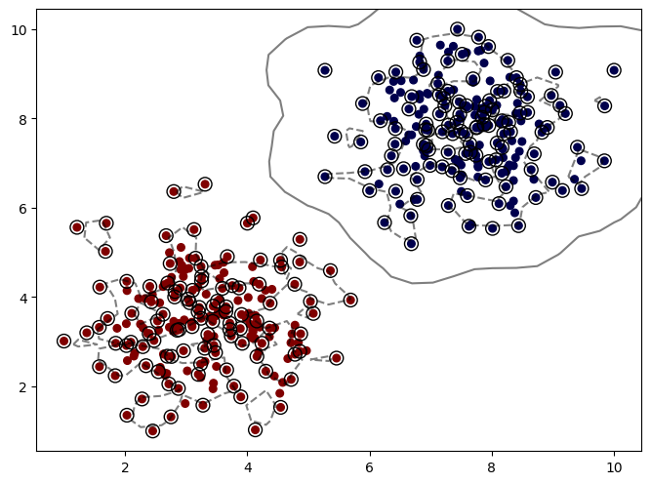 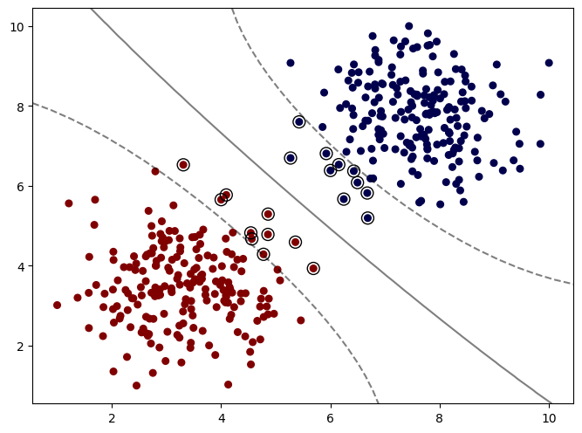 →What happen if Gamma value turn out to be extreme(High) = Extreme(High Value of Gamma That Margin is picking up tons of Information Essentially Overfitting Your Data That 's what happen when gamma increases more & more influence per support vector increases On the Contrary If Gamma Value Extreme (Low) Then it is basically like polynomial kernel at degree =2 or 3 pl see the colab where margin is relatively curved not in the form of cluster so by default GAMMA = SCALE IS BEST BECAUSE GOING NEITHER EXTREME (HIGH) OR (LOW) WILL BE GOOD At Gamma = Scale is best because What happen if Gamma value = 'Scale' . SCALE Is Basically in terms of BIAS - VARIANCE TRADEOFF --> GAMMA--> SCALE VALUES IS MOST APPROPRIATE BECAUSE OF IT'S BALANCED APPROACH IN REGARDS TO BIAS -VARIANCE TRADEOFF IT's neither overfitted in terms in terms of (poly - where degree is increased alongwith the complexity ) nor underfitted so there is error prediction. that's why of BIAS - VARIANCE TRADEOFF(see below image) At GAMMA= AUTO THERE IS LOT MORE NOISE IS INVOLVED & LOT MORE OVERFITTING WHICH YIELD WRONG PREDICTION ON THE OTHER HAND IN GAMMA = SCALE It is at perfect point where there is not much overfitting neither underfitting just see the image of BIAS -VARIANCE TRADEOFF (at tradeoff point ) Scale is reckoned at this point (THhat's why ono overfitting no underfitting ) very converged & optimized tradeoff .

 | 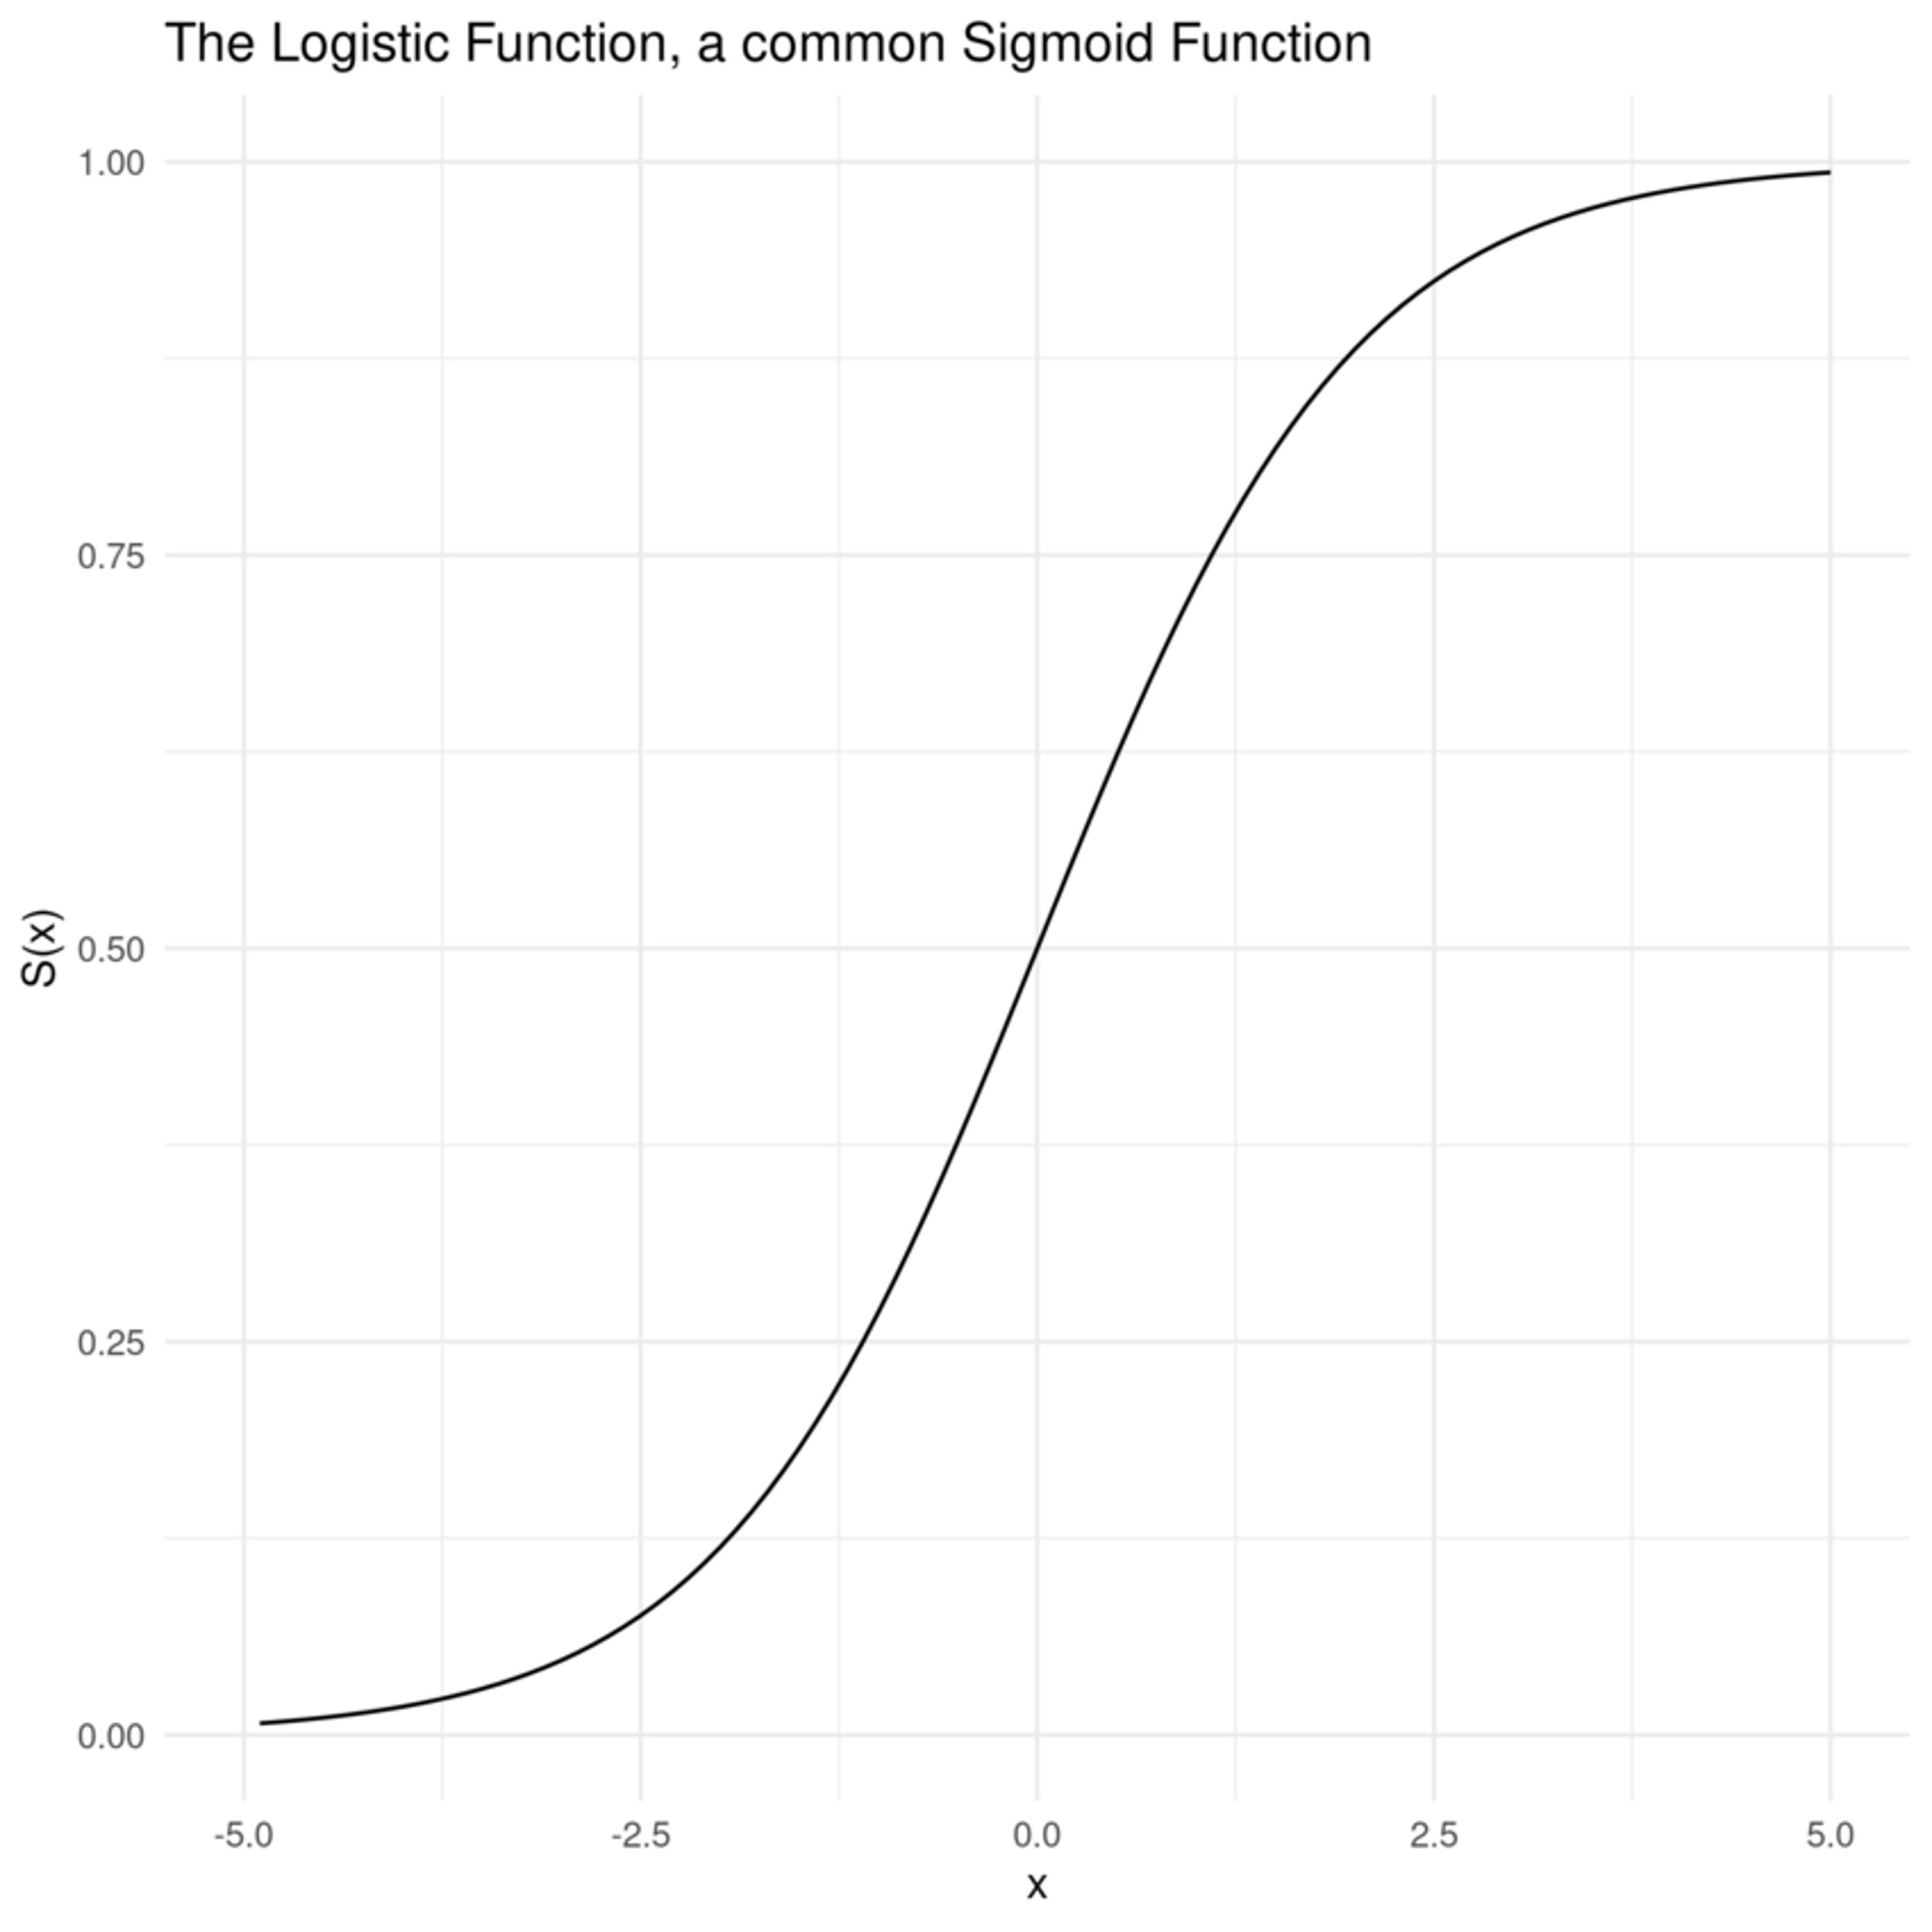 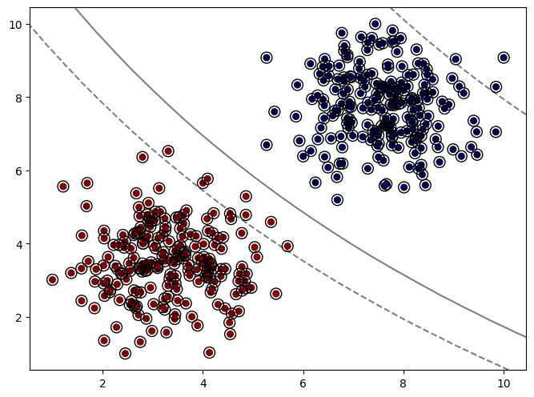 →SIGMOID KERNEL FUNCTION --> A Sigmoid function is a mathematical function which has a characteristic S-shaped curve. There are a number of common sigmoid functions, such as the logistic function, the hyperbolic tangent, and the arctangent. In machine learning, the termSigmoid function is normally used to refer specifically to the logistic function, also called the logistic sigmoid function.All sigmoid functions have the property that they map the entire number line into a small range such as between 0 and 1, or -1 and 1, so one use of a sigmoid function is to convert a real value into one that can be interpreted as a probability.much almost all the points are actually being highlighted as support vectors, which means for this particular dataset, I would definitely not recommend the sigmoid kernel because it's relying on evenpoints that are exactly at the center of the classes to have information of where the margins should go .

6.Math (Derivation) of Kernel
»(SVM)=>SUPPORT VECTOR MACHINES & It's KERNEL 'S MATHEMETICAL DERIVATION | REFERENCE

▣Mathematical Intuition Behind Support Vector Machine | ⇰REFERENCE (Website)-->Udemy Regarding Thereotical & Conceptual Understanding of Hyper Planes & Margin (Support Vector Margin) SVM

⇰Many people skip the math intuition behind this algorithm because it is pretty hard to digest. Here in this section, we’ll try to understand each and every step working under the hood. SVM is a broad topic and people are still doing research on this algorithm. If you are planning to do research, then this might not be the right place for you. |  | ⇰REFERENCE (Website)-->Udemy Regarding Thereotical & Conceptual Understanding of Kernel Tricks & Intuition & As well as Mathematical Derivation

 | ⇰REFERENCE (Website)-->Udemy Regarding SVM (Support Vector Machine)-> Theory & Kernel Intuition
▣Understanding Dot-Product

⇰We all know that a vector is a quantity that has magnitude as well as direction and just like numbers we can use mathematical operations such as addition, multiplication. In this section, we will try to learn about the multiplication of vectors which can be done in two ways, dot product, and cross product. The difference is only that the dot product is used to get a scalar value as a resultant whereas cross-product is used to obtain a vector again. ⇰The dot product can be defined as the projection of one vector along with another, multiply by the product of another vector.

 |  | ⇰REFERENCE (Website)-->Visually Explained Regarding Thereotical & Conceptual Understanding of Kernel Tricks in Support Vector Machine (SVM)

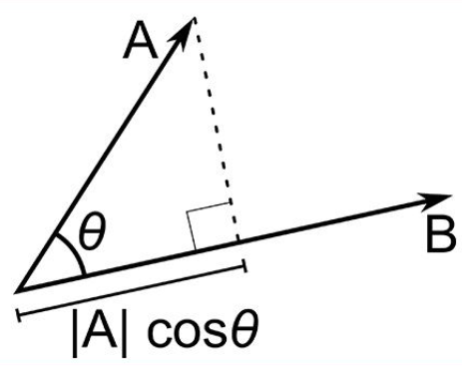 | ⇰REFERENCE (Website)-->Udemy Regarding Thereotical & Conceptual Understanding of Kernel Tricks & Intuition & As well as Mathematical Derivation

 | ⇰REFERENCE (Website)-->Analytics Vidhya Regarding Practical & Conceptual Understanding Of Various Mathematical Derivation of SVM

▣Use of Dot Product in SVM

⇰Consider a random point X and we want to know whether it lies on the right side of the plane or the left side of the plane (positive or negative).

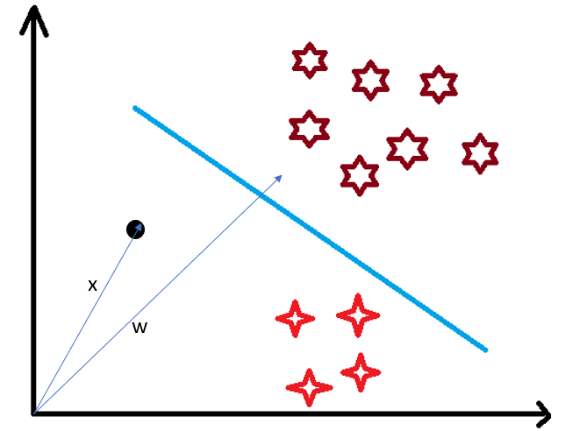 | ⇰REFERENCE (Website)-->Udemy Regarding Thereotical & Conceptual Understanding of Kernel Tricks & Intuition & As well as Mathematical Derivation

